FY23-24 Non GF Calculator
SALARY AND FRINGE CALCULATIONS FOR FY 23-24 (NON-GENERAL FUNDS)

EXAMPLE 1 |  |  |  | EXAMPLE 2 |  |  | EXAMPLE 3 Law Enforcement Officer (LEO)
 | SHRA | EHRA |  |  | SHRA | EHRA |  | SHRA | EHRA
If you have the total available Budget (enter amount here) =========> | 100,000 | 100,000 |  | If you know the salary (enter amount here) ================> | 100,000 | 100,000 | If you know the salary (enter amount here) | 50,000 | 50,000
Take out the Medical (Flat amount for FY 23-24) | -7,557 | -7,557 |  | FICA (Salary X .0765) | 7,650 | 7,650 | FICA (Salary X .0765) | 3,825 | 3,825
Available Base | 92,443 | 92,443 |  | Retirement (Salary x .2502 for SHRA or .1409 for EHRA) | 25,020 | 14,090 | LEO Retirement (Salary x .3002 for both EHRA & SHRA) | 15,010 | 15,010
 |  |  |  | Claims Rate Fringe Benefits (Salary x .0438 for both SHRA & EHRA) | 4,380 | 4,380 | Claims Rate Fringe Benefits (Salary x .0438 for both SHRA & EHRA) | 2,190 | 2,190
Salary (Available base divided by Fringe total) | 67,452 | 73,298 |  | Medical | 7,557 | 7,557 | Medical | 7,557 | 7,557
FICA (Salary X .0765) | 5,160 | 5,607 |  |  |  |  | How much budget you'll need/have | 78,582 | 78,582
Retirement (Salary x .2502 for SHRA or .1409 for EHRA) | 16,876 | 10,328 |  | How much budget you'll need/have available | 144,607 | 133,677
Claims Rate Fringe Benefits (Salary x .0438 for both SHRA & EHRA) | 2,954 | 3,210
Medical | 7,557 | 7,557 |  |  |  |  | If you have the total available Budget (enter amount here) | 50,000 | 50,000
Total Budget | 100,000 | 100,000 |  |  |  |  | Take out the Medical (Flat amount for FY 23-24) | -7,557 | -7,557
 |  |  |  |  |  |  | Available Base | 42,443 | 42,443
FY 23-24 BENEFITS RATES (PERMANENT EMPLOYEES)
 |  |  |  |  |  |  | Salary (Available base divided by Fringe total) | 29,879 | 29,879
CATEGORIES | ACCOUNT | RATE |  |  |  |  | FICA (Salary X .0765) | 2,286 | 2,286
FICA | 919150 | 7.65% |  |  |  |  | LEO Retirement (Salary x .3002 for both EHRA & SHRA) | 8,970 | 8,970
State Retirement | 919050 | 25.02% |  |  |  |  | Claims Rate Fringe Benefits (Salary x .0438 for both SHRA & EHRA) | 1,309 | 1,309
Optional Retirement | 918000 | 14.09% |  |  |  |  | Medical | 7,557 | 7,557
Law Officer's Retirement (LEO) | 919100 | 30.02% |  |  |  |  | Total Budget | 50,000 | 50,000
Medical Insurance | 917000 | $7,557 | **
Claims Rate Fringe Benefits (For EHRA/Faculty & SHRA Permanent) | 919700 | 4.38%
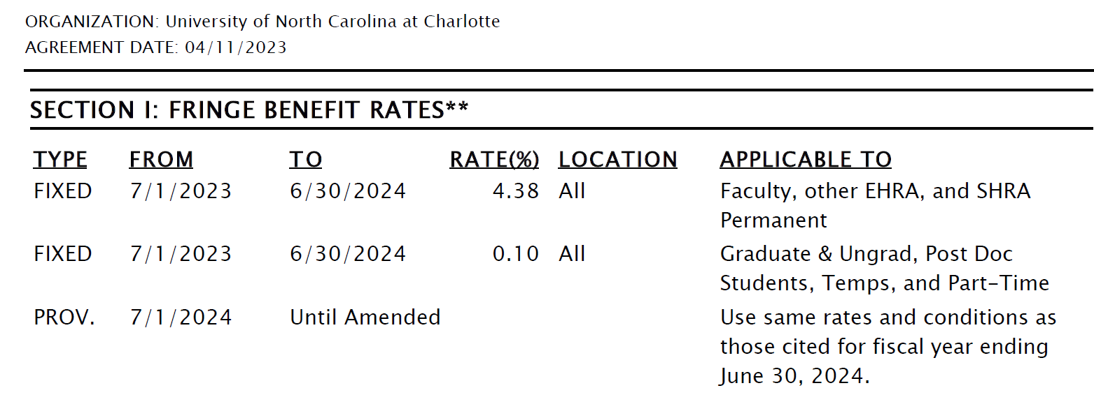
SHRA Fringe Total w/o medical | 37.05%
EHRA Fringe total w/o medical | 26.12%

Updated: 10/3/2023

Fringe Benefits must be paid from the same source as the salary
http://www.ncga.state.nc.us/EnactedLegislation/Statutes/PDF/BySection/Chapter_143C/GS_143C-6-6.pdf

